scenario DE-FR-3
Schematic map including re-routing options
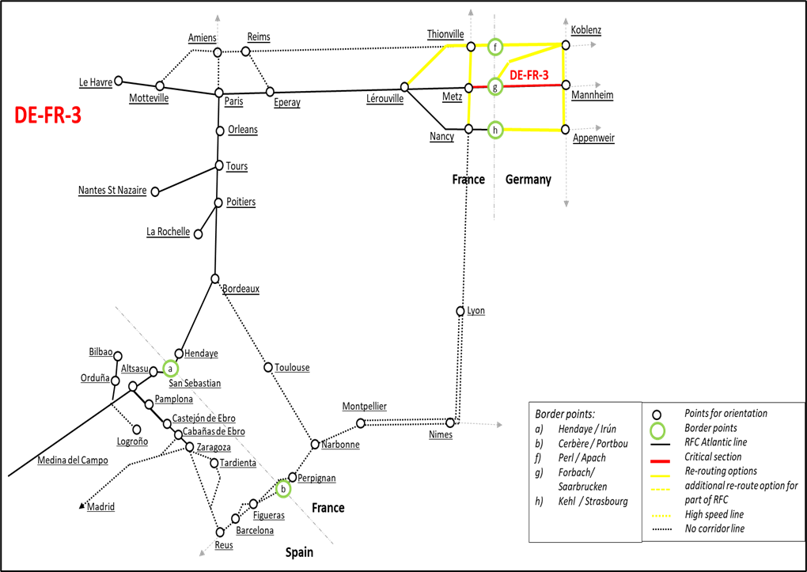

Re-routing options
Re-routing options | Route |  |  |  |  |  |  |  |  |  |  |  |  |  |  |  |  | Gauge
DE-FR-4 | Mannheim – Darmstadt – MZ-Bischofsheim – Rüdesheim – Koblenz – Trier – Apach - Metz |  |  |  |  |  |  |  |  |  |  |  |  |  |  |  |  | UIC
DE-FR-4 | Mannheim – Worms – Osthofen – Mainz – Bingen – Koblenz – Trier – Apach – Metz |  |  |  |  |  |  |  |  |  |  |  |  |  |  |  |  | UIC
DE-FR-5 | Mannheim - Karlsruhe - Kehl - Strasbourg - Metz |  |  |  |  |  |  |  |  |  |  |  |  |  |  |  |  | UIC
DE-FR- | Mannheim– Biblis – MZ-Bischofsheim - Rüdesheim – Koblenz – Trier - Saarbrücken |  |  |  |  |  |  |  |  |  |  |  |  |  |  |  |  | UIC

IM | Line section | Deviation including route | Usage |  | Infrastructure |  |  |  | Track gauge | Tunnel gauge | Signalling | Maximum Speed (km/h) | Maximum Speed (km/h) | Max train weight | Maximum gradient (o/ooo) | Maximum gradient (o/ooo) | Border | Miscalleanous | Capacity Indication
 |  |  | Pass | Frei | Traction power | Maxi train length (m) | Line Category | Number of tracks |  |  |  | Pass | Frei |  |  |  | other border

Section: Mannheim - Forbach / Saarbrücken (FR-GE border) - Metz
DB Netz | Mannheim - Forbach / Saarbrucken (FR/GE border) - Metz | Mannheim - Forbach / Saarbrucken (FR/GE border) - Metz | x | x | AC 15kV 16,7 Hz | 740 | D4 | min. 2 | UIC | upon request | PZB | 100 | 100 | 1: 1935t 2: 1890t (E-Tfz DB-185) | 0 | 0 |  | 0 | 0
SNCF Réseau | Saarbrücken / Forbach (FR/GE border) - Metz | Forbach (FR/GE border) - Metz | x | x | AC 25kV | 750 | D4 | 2 | UIC | GB1 | KVB | 101-160 | 101-160 | N/A | - | upon request | - | - | 0

Mannheim – Koblenz – Perl / Apach – Metz
DB Netz | Mannheim - Forbach / Saarbrucken (FR/GE border) | Mannheim– Biblis – MZ-Bischofsheim - Rüdesheim – Koblenz – Trier - Saarbrücken | x | x | AC 15kV 16,7 Hz | 740 | D4 | min. 2 | UIC | upon request | PZB | 100 | 100 | 1: 2110t 2: 2140t (E-Tfz DB-185) | 0 | - | FR | 0 | 0
DB Netz | Mannheim - Forbach / Saarbrucken (FR/GE border) | Mannheim – Darmstadt – MZ-Bischofsheim – Rüdesheim – Koblenz – Trier – Apach | x | x | AC 15kV 16,7 Hz | 630 | D4 | min. 2 | UIC | upon request | PZB | 100 | 100 | 1: 2110t 2: 2135t (E-Tfz DB-185) | 0 | - | FR
DB Netz | Mannheim - Forbach / Saarbrucken (FR/GE border) | Mannheim – Worms – Osthofen – Mainz – Bingen – Koblenz – Trier – Apach | x | x | AC 15kV 16,7 Hz | 630 | D4 | min. 2 | UIC | upon request | PZB | 100 | 100 | 1: 2119t 2: 2140t (E-Tfz DB-185) | 0 | - | Perl/Apach | 0 | 0
SNCF Réseau | Saarbrücken / Forbach (FR/GE border) - Metz | Apach (FR/GE border) - Thionville – Metz | x | x | AC 25kV | 750 | D4 | 2 | UIC | GB1 | ERTMS/KVB | 101 - 120 | 101 - 120 | N/A | - | upon request | Perl/Apach | - | 0

Mannheim – Karlsruhe – Kehl / Strasbourg - Nancy – Metz / Lerouville
DB Netz | Mannheim - Forbach / Saarbrucken (FR/GE border) | Mannheim - Karlsruhe - Kehl | x | x | AC 15kV 16,7 Hz | 740 | D4 | min. 2 | UIC | upon request | PZB | 160 | 160 | 1: 2855t 2: 3175t (E-Tfz DB-185) | 0 | - | FR | 0 | 0
SNCF Réseau | Saarbrücken / Forbach (FR/GE border) - Metz | Strasbourg (FR/GE border)- Nancy – Metz | x | x | AC 25kV | 750 | C4/D4 | 2 | UIC | GB | KVB | 101 - 120 | 101 - 120 | N/A | - | upon request | Kehl/Strasbourg | C4 between Kehl and Strasbourg | limited

